Pivot Table 1
 |  | Death Rate | Recovery Rate
 |  | 16.66666667 | 9.420289855

TotalRecovered vs. Date - Month
NewCases vs. Date - Day of the week
NewCases vs. Date - Month

 | 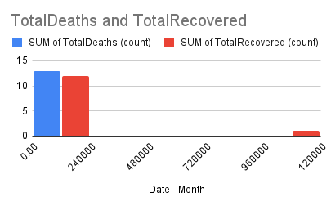

TotalConfirmed
TotalRecovered
TotalDeaths
TotalConfirmed

SUM of TotalDeaths vs. Date - Month
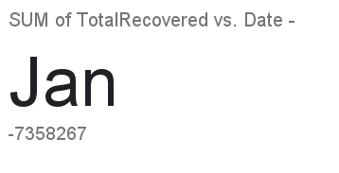

SUM of TotalTests vs. Date - Month

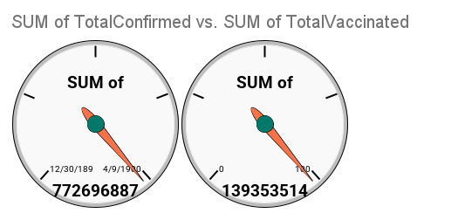

SUM of TotalConfirmed vs. Date - Month

AVERAGE of TotalConfirmed vs. Date - Day of the week

SUM of TotalConfirmed vs. Date - Month

Sheet2
DashBoard

Total Case | 139353514 | Active Case | 19088489 | Death Total | 16.66666667

NewCases vs. Date - Day of the week
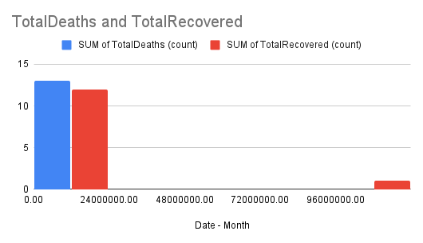

TotalRecovered vs. Date - Month
TotalRecovered
TotalConfirmed

TotalDeaths
AVERAGE of TotalConfirmed vs. Date - Day of the week

